Ark1
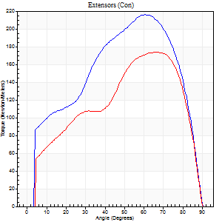
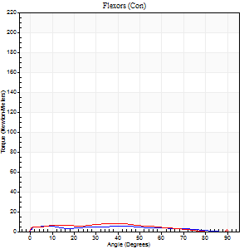
Use File, Preference to set Report Heading
Long Form Torque vs. Position Report - Knee Extension/Flexion
Name: |  |  |  | Deltager_10, | ID: | Deltager | Right/Left: | 30.09.2025 30.09.2025

Right Side Curves Left Side Curves
Isokinetic Con/Con |  |  |  | Extensors (Con) |  | Flexors (Con)
Speed 60/60 d/s 3 Reps |  |  |  | Value | Cof Var | %BW | Value | Cof Var | %BW | Ratio

TORQUE PARAMETERS
Peak Torque (Newton-Meters - Best Repetition)
Right |  |  |  | 216 | 0.02 | 337 | 5 | 0.17 | 9 | 3
Left |  |  |  | 174 | 0.01 | 271 | 8 | 0.2 | 12 | 5
Deficit |  |  |  | 19 |  |  | 33
Work per Repetition (Newton-Meters - Best Repetition)
Right |  |  |  | 232 | 0.01 | 361 | 5 | 0.4 | 9 | 2
Left |  |  |  | 179 | 0.01 | 280 | 7 | 0.24 | 12 | 4
Deficit |  |  |  | 23 |  |  | 20
Average Power per Repetition (Watts - Best Repetition)
Right |  |  |  | 147 | 0.02 | 229 | 4 | 0.47 | 7 | 3
Left |  |  |  | 112 | 0.01 | 174 | 4 | 0.21 | 7 | 4
Deficit |  |  |  | 24 |  |  | 0
POSITION PARAMETERS
Joint Angle at Peak Torque (Degrees)
Right |  |  |  | 58 | 0.03 |  | 29 | 0.8
Left |  |  |  | 65 | 0.04 |  | 30 | 0.62
Range of Motion (Degrees)
Right |  |  |  | 0 | 0 |  | 90 | 0
Left |  |  |  | 0 | 0 |  | 90 | 0
TIME PARAMETERS
Time to Peak Torque (Seconds)
Right |  |  |  | 0.56 | 0.03 |  | 0.6 | 0.64
Left |  |  |  | 0.45 | 0.14 |  | 0.63 | 0.51
Time Peak Torque Held (Seconds)
Right |  |  |  | 0.07 | 0.29 |  | 0.08 | 0.88
Left |  |  |  | 0.1 | 0.39 |  | 0.05 | 1.42
Force Decay Time (Seconds)
Right |  |  |  | 0.96 | 0.05 |  | 1.07 | 0.45
Left |  |  |  | 1.04 | 0.04 |  | 1.01 | 0.35
Reciprocal Delay (Seconds)
Right |  |  |  | 0.25 | 0.17 |  | 0.55 | 0.12
Left |  |  |  | 0.31 | 0.07 |  | 0.55 | 0.09
Delay Time (Seconds)
Right |  |  |  | 0 | -1.41 |  | -0.03 | -0.46
Left |  |  |  | -0.01 | 0 |  | -0.05 | 0
HUMAC2015® Version: 15.000.0074 © Computer Sports Medicine, Inc. www.csmisolutions.com

Use File, Preference to set Report Heading
Long Form Torque vs. Position Report - Knee Extension/Flexion
Name: |  |  |  | Deltager_10, | ID: | Deltager | Right/Left: | 30.09.2025 30.09.2025
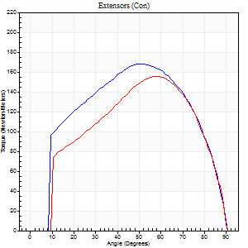
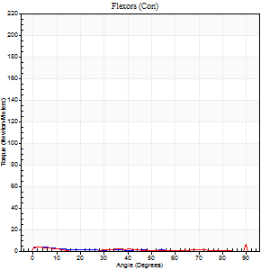
Right Side Curves Left Side Curves
Isokinetic Con/Con |  |  |  | Extensors (Con) |  | Flexors (Con)
Speed 120/120 d/s 3 Reps |  |  |  | Value | Cof Var | %BW | Value | Cof Var | %BW | Ratio

TORQUE PARAMETERS
Peak Torque (Newton-Meters - Best Repetition)
Right |  |  |  | 168 | 0.02 | 262 | 4 | 0.06 | 6 | 2
Left |  |  |  | 156 | 0.04 | 244 | 9 | 0.58 | 15 | 6
Deficit |  |  |  | 7 |  |  | 57
Work per Repetition (Newton-Meters - Best Repetition)
Right |  |  |  | 184 | 0.01 | 286 | 1 | 0.06 | 3 | 1
Left |  |  |  | 160 | 0.03 | 250 | 1 | 0.19 | 3 | 1
Deficit |  |  |  | 13 |  |  | 0
Average Power per Repetition (Watts - Best Repetition)
Right |  |  |  | 209 | 0.01 | 325 | 1 | 0.17 | 2 | 0
Left |  |  |  | 182 | 0.03 | 284 | 1 | 0.46 | 2 | 1
Deficit |  |  |  | 13 |  |  | 0
POSITION PARAMETERS
Joint Angle at Peak Torque (Degrees)
Right |  |  |  | 51 | 0.01 |  | 5 | 0.1
Left |  |  |  | 58 | 0.02 |  | 32 | 1.6
Range of Motion (Degrees)
Right |  |  |  | 0 | -0.47 |  | 90 | 0
Left |  |  |  | 0 | 0 |  | 90 | 0
TIME PARAMETERS
Time to Peak Torque (Seconds)
Right |  |  |  | 0.37 | 0 |  | 0.23 | 0.04
Left |  |  |  | 0.31 | 0.05 |  | 0.8 | 1.38
Time Peak Torque Held (Seconds)
Right |  |  |  | 0.03 | 0.22 |  | 0.02 | 0.87
Left |  |  |  | 0.02 | 0.49 |  | 0 | 1.73
Force Decay Time (Seconds)
Right |  |  |  | 0.47 | 0.01 |  | 1.32 | 0.18
Left |  |  |  | 0.54 | 0.05 |  | 0.92 | 1.07
Reciprocal Delay (Seconds)
Right |  |  |  | 0.28 | 0.22 |  | 0.74 | 0.15
Left |  |  |  | 0.43 | 0.15 |  | 0.53 | 0.13
Delay Time (Seconds)
Right |  |  |  | -0.01 | 0 |  | -0.06 | -0.17
Left |  |  |  | -0.01 | 0 |  | -0.08 | -0.2
HUMAC2015® Version: 15.000.0074 © Computer Sports Medicine, Inc. www.csmisolutions.com

Use File, Preference to set Report Heading
Long Form Torque vs. Position Report - Knee Extension/Flexion
Name: |  |  |  | Deltager_10, | ID: | Deltager | Right/Left: | 30.09.2025 30.09.2025

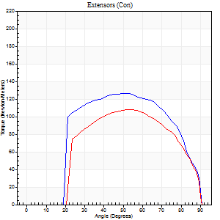
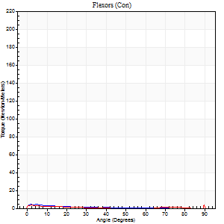
Right Side Curves Left Side Curves
Isokinetic Con/Con |  |  |  | Extensors (Con) |  | Flexors (Con)
Speed 240/240 d/s 3 Reps |  |  |  | Value | Cof Var | %BW | Value | Cof Var | %BW | Ratio

TORQUE PARAMETERS
Peak Torque (Newton-Meters - Best Repetition)
Right |  |  |  | 126 | 0.03 | 197 | 4 | 0.2 | 6 | 3
Left |  |  |  | 108 | 0.01 | 170 | 5 | 0.31 | 9 | 5
Deficit |  |  |  | 14 |  |  | 25
Work per Repetition (Newton-Meters - Best Repetition)
Right |  |  |  | 129 | 0.04 | 200 | 1 | 0.12 | 3 | 1
Left |  |  |  | 107 | 0.01 | 167 | 3 | 0.73 | 3 | 3
Deficit |  |  |  | 17 |  |  | 50
Average Power per Repetition (Watts - Best Repetition)
Right |  |  |  | 231 | 0.04 | 360 | 2 | 0.35 | 2 | 1
Left |  |  |  | 192 | 0 | 299 | 2 | 0.6 | 2 | 1
Deficit |  |  |  | 17 |  |  | 0
POSITION PARAMETERS
Joint Angle at Peak Torque (Degrees)
Right |  |  |  | 50 | 0.03 |  | 2 | 0.75
Left |  |  |  | 53 | 0.02 |  | 31 | 1.64
Range of Motion (Degrees)
Right |  |  |  | 0 | 0 |  | 90 | 0
Left |  |  |  | 0 | 0 |  | 90 | 0
TIME PARAMETERS
Time to Peak Torque (Seconds)
Right |  |  |  | 0.23 | 0.03 |  | 0.16 | 0.35
Left |  |  |  | 0.22 | 0.03 |  | 0.33 | 0.94
Time Peak Torque Held (Seconds)
Right |  |  |  | 0.01 | 0.43 |  | 0.01 | 1.73
Left |  |  |  | 0.02 | 0 |  | 0.04 | 1.73
Force Decay Time (Seconds)
Right |  |  |  | 0.3 | 0.04 |  | 1.3 | 0.22
Left |  |  |  | 0.31 | 0.02 |  | 0.76 | 1.04
Reciprocal Delay (Seconds)
Right |  |  |  | 0.26 | 0.29 |  | 0.71 | 0.14
Left |  |  |  | 0.22 | 0.16 |  | 0.64 | 0.09
Delay Time (Seconds)
Right |  |  |  | -0.02 | -0.28 |  | -0.06 | -0.17
Left |  |  |  | -0.03 | 0 |  | 0.29 | 2.27
HUMAC2015® Version: 15.000.0074 © Computer Sports Medicine, Inc. www.csmisolutions.com

Use File, Preference to set Report Heading
Isometric - Knee Extension/Flexion
Name: |  |  |  | Deltager_10, | ID: | Deltager | Right/Left: | 30.09.2025 30.09.2025

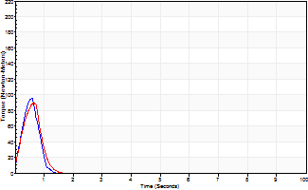
Isometric Extensors (Con) Angle 60 Time 10 Repetition 2 (Best Repetition)
 | Value | Cof Var | %BW
Peak Torque (Newton-Meters)
Right | 96 | 0.24 | 149
Left | 91 | 0.07 | 143
Deficit | 6
Average Torque (Newton-Meters)
Right | 7 | 0.4 | 12
Left | 7 | 0.36 | 12
Deficit | 0
Peak Torque Slope (Newton-Meters/Seconds)
Right | 166 | 0 | 258
Left | 200 | 0.24 | 311 |  | Right Side Curves Left Side Curves
Deficit | 17
Time to Half Peak Torque (Seconds)
Right | 0.17 | 0.25
Left | 0.19 | 0.07
Time to Peak Torque (Seconds)
Right | 0.49 | 0.25
Left | 0.51 | 0.32
HUMAC2015® Version: 15.000.0074 © Computer Sports Medicine, Inc. www.csmisolutions.com

